Table 1
2016-2017 Prescription Opioid Overdose Data
Changes in drug overdose death rates involving prescription opioids by select states, United States, 2016 to 2017
Category stable - not signiﬁcant did not meet inclusion criteria increase decrease
SOURCE: CDC/NCHS, National Vital Statistics System, Mortality. CDC WONDER, Atlanta, GA: US Department of Health and Human Services, CDC; 2018. https://wonder.cdc.gov/

2017
Search: significant
state ↑↓ category ↑↓ change2016- ↑↓ change ↑↓ |  |  |  | significant ↑↓ | 2016number ↑↓ | 2016rate ↑↓ | 2017number ↑↓ | 2017ra
AK stable - not 2.9 -8.1 |  |  |  | no | 51 | 6.8 | 51 | 7
did not AL meet n/a n/a criteria did not |  |  |  | n/a | n/a | n/a | n/a | n/a
inclusion
AR meet n/a criteria |  |  | n/a | n/a | n/a | n/a | n/a | n/a
AZ stable - not 5.4 |  |  | 1.8 | no | 380 | 5.6 | 414 | 5.9
inclusion
significant

 | 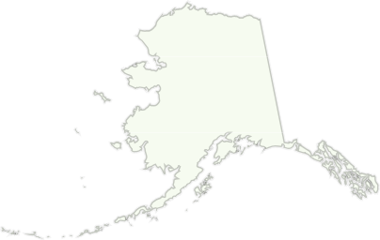 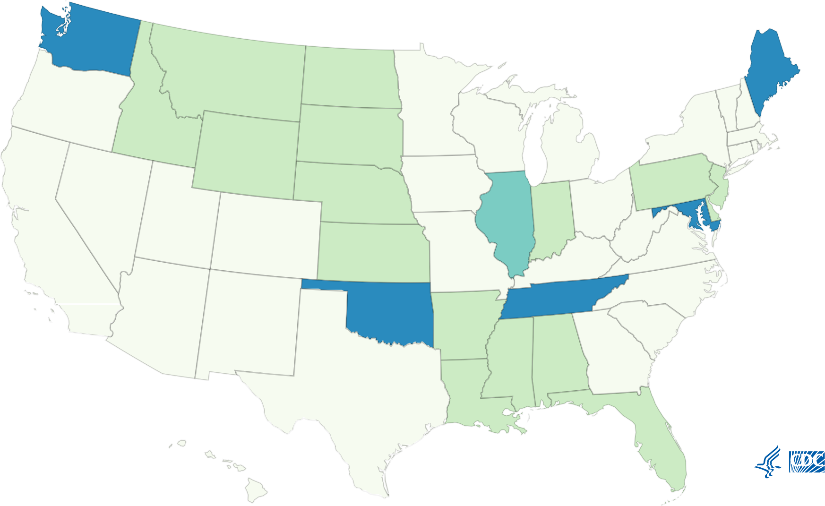
CA stable - not 0 |  |  | n/a | no | 1172 | 2.8 | 1169 | 2.8
CO stable - not 13.3 |  |  | -11.8 | no | 258 | 4.5 | 300 | 5.1
CT | stable - not significant | 6.9 | 14.3 | no | 264 | 7.2 | 273 | 77
DC | stable - not significant | -9.7 | 151.4 | no | 66 | 9.3 | 58 | 8.4
DE | did not meet inclusion criteria | n/a | n/a | n/a | n/a | n/a | n/a | n/a
FL | did not meet inclusion criteria | n/a | n/a | n/a | n/a | n/a | n/a | n/a
GA | stable - not significant | 5.9 | 2 | no | 536 | 5.1 | 568 | 5.4
HI | stable - not significant | -30.6 | 28.6 | no | 55 | 3.6 | 40 | 2.5
IA | stable - not significant | 9.7 | 0 | no | 92 | 3.1 | 104 | 3.4
ID | did not meet inclusion criteria | n/a | n/a | n/a | n/a | n/a | n/a | n/a
IL | increase | 29.7 | 37 | yes | 479 | 3.7 | 623 | 4.8
IN | did not meet inclusion criteria | n/a | n/a | n/a | n/a | n/a | n/a | n/a
KS | did not meet inclusion criteria | n/a | n/a | n/a | n/a | n/a | n/a | n/a
KY | stable - not significant | 2 | n/a | no | 429 | 10 | 433 | 10.2
LA | did not meet inclusion criteria | n/a | n/a | n/a | n/a | n/a | n/a | n/a
MA | stable - not significant | -6.1 | 14 | no | 351 | 4.9 | 321 | 4.6
MD | decrease | -12.2 | 50.6 | yes | 812 | 13.1 | 711 | 11.5
ME | decrease | -39.2 | 30.2 | yes | 154 | 12.5 | 100 | 7.6
MI | stable - not significant | -7.1 | n/a | no | 678 | 7 | 633 | 6.5
MN | stable - not significant | 0 | 12.5 | no | 195 | 3.6 | 195 | 3.6
significant
significant
MO stable - not -8.9 |  |  | -6.3 | no | 268 | 4.5 | 253 | 4.1
did not MS meet n/a |  |  | n/a | n/a | n/a | n/a | n/a | n/a
inclusion criteria
MT | did not meet inclusion criteria | n/a | n/a | n/a | n/a | n/a | n/a | n/a
NC | stable - not significant | -5.8 | 7.8 | no | 695 | 6.9 | 659 | 6.5
ND | did not meet inclusion criteria | n/a | n/a | n/a | n/a | n/a | n/a | n/a
NE | did not meet inclusion criteria | n/a | n/a | n/a | n/a | n/a | n/a | n/a
NH | stable - not significant | -26.2 | 14 | no | 89 | 6.5 | 62 | 4.8
NJ | did not meet inclusion criteria | n/a | n/a | n/a | n/a | n/a | n/a | n/a
NM | stable - not significant | -7.6 | -4.2 | no | 186 | 9.2 | 171 | 8.5
NV | stable - not significant | -2.2 | -9.2 | no | 275 | 8.9 | 276 | 8.7
NY | stable - not significant | -5.6 | 22.7 | no | 1100 | 5.4 | 1044 | 5.1
OH | stable - not significant | 9.1 | 11.6 | no | 867 | 7.7 | 947 | 8.4
OK | decrease | -20.2 | -2.3 | yes | 322 | 8.4 | 251 | 6.7
OR | stable - not significant | -10.3 | -17 | no | 165 | 3.9 | 154 | 3.5
PA | did not meet inclusion criteria | n/a | n/a | n/a | n/a | n/a | n/a | n/a
RI | stable - not significant | -16.2 | -0.9 | no | 114 | 10.5 | 99 | 8.8
SC | stable - not significant | -9 | 6.8 | no | 381 | 7.8 | 345 | 7.1
SD | did not meet inclusion | n/a | n/a | n/a | n/a | n/a | n/a | n/a
 | criteria
TN | decrease | -13.5 | 5.7 | yes | 739 | 11.1 | 644 | 9.6
significant

TX | stable - not significant | 4.5 | 4.8 | no | 617 | 2.2 | 646 | 2.3
UT | stable - not significant | -13.6 | -8.8 | no | 349 | 12.5 | 315 | 10.8
VA | stable - not significant | 0 | 23.7 | no | 400 | 4.7 | 404 | 4.7
VT | stable - not significant | 6.8 | 11.3 | no | 35 | 5.9 | 40 | 6.3
WA | decrease | -14 | 6.4 | yes | 388 | 5 | 343 | 4.3
WI | stable - not significant | -4.5 | 28.8 | no | 382 | 6.7 | 362 | 6.4
WV | stable - not significant | -12.7 | -7.1 | no | 340 | 19.7 | 304 | 17.2
WY | did not meet inclusion | n/a | n/a | n/a | n/a | n/a | n/a | n/a
 | criteria
Showing 1 to 51 of 51 entries
About This Map and Data Table
Deaths are classified using the International Classification of Diseases, Tenth Revision (ICD–10). Drug overdose deaths are identified using underlying cause-of-death codes X40–X44, X60–X64, X85, and Y10–Y14. Rates shown are for the number of deaths per 100,000 population. Age-adjusted death rates were calculated using the direct method and the 2000 standard population. Drug overdose deaths, as defined, that have natural and semi-synthetic opioids (T40.2) and methadone (T40.3) as contributing causes. Analyses were limited to states meeting the following criteria: For states with very good to excellent reporting, ≥90% of drug overdose deaths mention at least one specific drug in 2016, with the change in drug overdose deaths mentions of at least one specific drug differing by no more than 10 percentage points (pp) between 2016 and 2017. States with good reporting had 80% – ‹90% of drug overdose deaths mention of at least one specific drug in 2016, with the change in the percentage of drug overdose deaths mentioning at least one specific drug differing by no more than 10 percentage points between 2016 and 2017. States included also were required to have stable rate estimates, based on ≥20 deaths, in at least two drug categories (i.e., opioids, prescription opioids, synthetic opioids other than methadone, heroin). Rate comparisons between states should not be made due to variations in reporting across states.
Back to the Prescription Opioid Overdose Data Maps Webpage.
Page last reviewed: March 19, 2021

